About
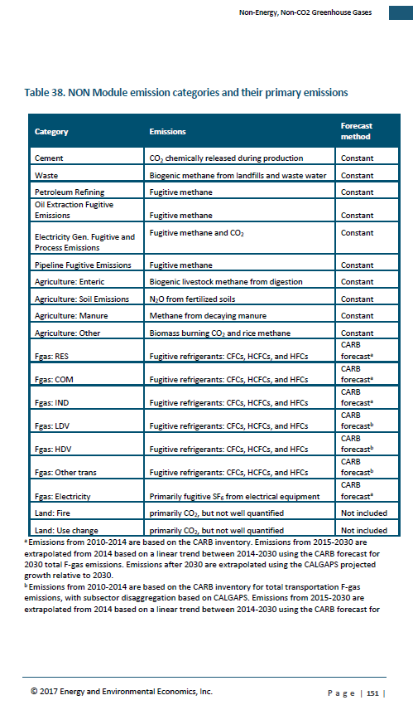
Sources: | Emission data
 | E3 California Pathways model, itself derived from CARB inventory and CARB forecasts (Fgas)
 | Inventory the main source: "Methane, N2O, and CO2 emissions are based on the 2016 ARB Inventory for years 2000-2014, and then are held constant in the baseline forecast after 2014," p. 150 of CA Pathways model documentation.

 | Following guidance from EPS design team, all Fgas data included under chemicals sector

 | GWP values
 | In line with effort to maximize alignment with CARB methods and assumptios where possible, follow the example of CARB and E3 data in using AR4 GWPs:
 | For example, "current inventory uses 100-year global warming potential (GWP) values from the IPCC Fourth Assessment Report, consistent with current international and national GHG inventory practices," as stated in following document.
 | https://www.arb.ca.gov/cc/inventory/pubs/reports/2000_2015/ghg_inventory_trends_00-15.pdf

